גיליון1
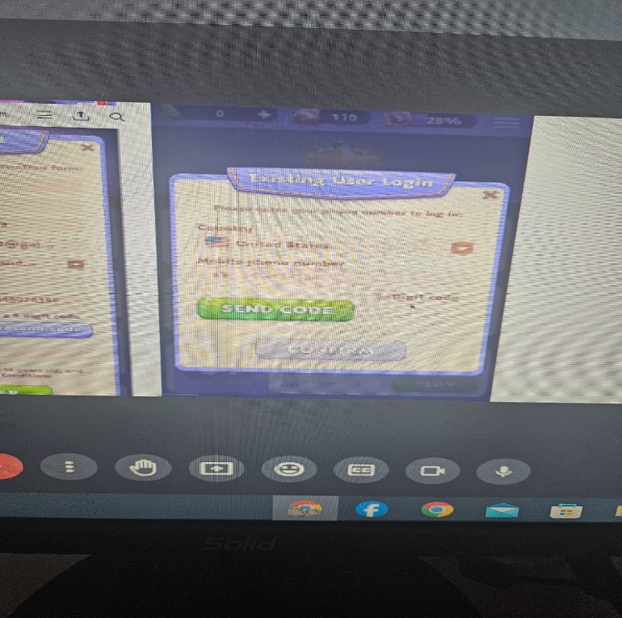
TEST CASE |  | game mobile application
ID | Test Case Description | Test Case Procedure | Expected Output
 |  |  |  | Actual output | test data

1. check country navidation panel
TC1 | Checking valid country selection | 1: Go to the aplication. 2: click on country panel 3: click on country (UK, US,CA) from the list | The country flag will appear corectly | the flag appear |  | Pass
TC2 | Checking invalid country selection | 1: Go to the aplication. 2: click on country panel 3: click on invalid country | an error dailog will appear says hi you can not choodse this country | the dailog don’t appear |  | Fail
2. Check send code functionality button
TC3 | Checking "send code button", fill a correct country and a valid phone number | 1: Go to the application 2: choose a valid country 3: fill a correct phone with a valid extention 4.click on "SEND CODE" button | See a code with 6- digit in your sms inbox | The dialog appeaed correctly with the correct massage |  | Pass
TC4 | Checking the "send code button" with invalid country | 1: Go to the application 2: choose a valid country 3: fill a incorrect phone number with an invalid extention 4.click on "SEND CODE" button | the "SEND CODE" button doesn’t woork and we see a error dialog massage | the dailog appear with correct masage |  | Pass
TC5 | checking "send code button" with invalid input in phone field | 1: Go to the aplication 2. click and choose valid country 3. imput a invalid phone numer | warning masage dialog | appear correctly | 052-123-456$ | Pass
check the receiving of of confirm code
TC6 | Checking the receiving of confirm code with valid input | 1:Go to appliction 2. Choose a valid country 3.fill a valid number 4.clik on "send code button" 5.check the mail box 6.fill the code field with the the 6 code digit 7.clik on confirm | the button confirm appear correctly | the button on and we can clik on it | US SELECTED and fill 052-6586656 | Pass
TC7 | Checking the receiving of confirm code with invalid input | 1:Go to appliction 2. Choose a valid country 3.fill a invalid number 4.clik on "send code button" | the code not be in sms inbox and the cofirm button don’t be blue | be like the in expected column |  | Pass

